Mode_film


Mode_Customer
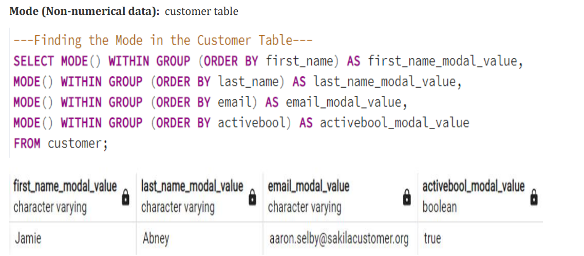

Top_10_Countries
country | count
India | 60
China | 53
United States | 36
Japan | 31
Mexico | 30
Brazil | 28
Russian Federation | 28
Philippines | 20
Turkey | 15
Indonesia | 14
--top 10 countries--
SELECT D.country,
COUNT(customer_id)
FROM customer A
INNER JOIN address B ON A.address_id = B.address_id
INNER JOIN city C ON B.city_id = C.city_id
INNER JOIN country D ON C.country_ID = D.country_ID
GROUP BY country
ORDER BY COUNT(customer_id) DESC
LIMIT 10

Movies_by_Revenue
title | rating | category | Total Amount Paid
Telegraph Voyage | PG | Music | 215.75
Zorro Ark | NC-17 | Comedy | 199.72
--Movies by revenue--
SELECT
D.title, D.rating, F.name AS category,
SUM(A.amount) AS "Total Amount Paid"
FROM payment A
INNER JOIN rental B ON A.rental_id = B.rental_id
INNER JOIN inventory C ON B.inventory_id = C.inventory_id
INNER JOIN film D ON C.film_ID = D.film_ID
INNER JOIN film_category E ON D.film_ID = E.film_ID
INNER JOIN category F ON E.category_id = F.category_id
GROUP BY title, rating, category
ORDER BY "Total Amount Paid" DESC
Wife Turn | NC-17 | Documentary | 198.73
Innocent Usual | PG-13 | Foreign | 191.74
Hustler Party | NC-17 | Comedy | 190.78
Saturday Lambs | G | Sports | 190.74
Titans Jerk | PG | Sci-Fi | 186.73
Harry Idaho | PG-13 | Drama | 177.73
Torque Bound | G | Drama | 169.76
Dogma Family | G | Animation | 168.72
Pelican Comforts | PG | Documentary | 165.77
Goodfellas Salute | PG | Sci-Fi | 164.75
Fool Mockingbird | PG | Action | 162.79
Apache Divine | NC-17 | Family | 160.72
Enemy Odds | NC-17 | Music | 159.75
Cat Coneheads | G | Comedy | 159.73
Scorpion Apollo | NC-17 | Drama | 158.79
Range Moonwalker | PG | Family | 158.77
Scalawag Duck | NC-17 | Music | 157.71
Sunrise League | PG-13 | Animation | 155.78
Lola Agent | PG | Horror | 154.77
Maiden Home | PG | New | 152.78
Velvet Terminator | R | Comedy | 152.77
Closer Bang | R | Comedy | 152.76
Bucket Brotherhood | PG | Travel | 150.72
Sting Personal | NC-17 | New | 149.8
Titanic Boondock | R | Animation | 149.78
Massacre Usual | R | Games | 149.75
Nightmare Chill | PG | Games | 148.79
Videotape Arsenic | NC-17 | Games | 148.76
American Circus | R | Action | 146.81
Witches Panic | NC-17 | Drama | 146.75
Show Lord | PG-13 | Documentary | 145.78
Minds Truman | PG-13 | Action | 144.81
Working Microcosmos | R | Travel | 144.78
Wonderland Christmas | PG | Sci-Fi | 142.79
Head Stranger | R | Games | 142.79
Whisperer Giant | PG-13 | Sci-Fi | 141.8
Forrester Comancheros | NC-17 | Animation | 141.74
Backlash Undefeated | PG-13 | Children | 140.84
Dorado Notting | NC-17 | Music | 140.78
Boogie Amelie | R | Music | 140.74
Secrets Paradise | G | Family | 139.82
Mine Titans | PG-13 | New | 138.83
Stagecoach Armageddon | R | Action | 138.77
Pity Bound | NC-17 | Drama | 138.77
Streetcar Intentions | R | Horror | 137.77
Roses Treasure | PG-13 | Sports | 137.77
Fellowship Autumn | NC-17 | Travel | 137.76
Steel Santa | NC-17 | Classics | 136.78
Confidential Interview | NC-17 | Music | 136.76
Trip Newton | PG-13 | Action | 135.74
Flintstones Happiness | PG-13 | Comedy | 134.83
Garden Island | G | Sci-Fi | 134.82
Suit Walls | R | Games | 134.81
Eagles Panky | NC-17 | New | 134.81
Flamingos Connecticut | PG-13 | New | 134.78
Attraction Newton | PG-13 | New | 133.78
Trading Pinocchio | PG | Sports | 133.77
Heartbreakers Bright | G | Children | 132.8
Easy Gladiator | G | Action | 132.8
Durham Panky | R | Sports | 132.76
Moonshine Cabin | PG-13 | Games | 131.8
Name Detective | PG-13 | Games | 131.78
Drifter Commandments | PG-13 | Action | 131.78
Aladdin Calendar | NC-17 | Sports | 131.77
Lies Treatment | NC-17 | Drama | 131.76
Coneheads Smoochy | NC-17 | Drama | 131.76
Midsummer Groundhog | G | Documentary | 129.82
Details Packer | R | Games | 128.82
Queen Luke | PG | Drama | 128.79
Tourist Pelican | PG-13 | Sports | 126.81
Kiss Glory | PG-13 | Foreign | 126.79
Liaisons Sweet | PG | Travel | 126.79
Sabrina Midnight | PG | Children | 126.79
Seattle Expecations | PG-13 | Drama | 125.8
Beauty Grease | G | Drama | 125.79
Movie Shakespeare | PG | Family | 125.78
Gleaming Jawbreaker | NC-17 | Sports | 125.72
Chance Resurrection | R | Sports | 124.76
Calendar Gunfight | NC-17 | Foreign | 123.82
Heavyweights Beast | G | Documentary | 123.78
Satisfaction Confidential | G | Sports | 122.84
Yentl Idaho | R | Horror | 122.79
Coma Head | NC-17 | Travel | 122.77
Center Dinosaur | PG | Classics | 121.79
Sleeping Suspects | PG-13 | Horror | 121.78
Princess Giant | NC-17 | Documentary | 121.77
Pulp Beverly | G | Horror | 121.74
Kissing Dolls | R | Action | 120.83
Dawn Pond | PG | Games | 120.83
Something Duck | NC-17 | Drama | 120.82
Trap Guys | G | Foreign | 119.85
Pinocchio Simon | PG | Comedy | 119.82
Rage Games | R | Family | 119.81
Bingo Talented | PG-13 | Sci-Fi | 119.75
Doors President | NC-17 | Animation | 118.82
Desert Poseidon | R | Horror | 118.81
Maltese Hope | PG-13 | Games | 118.79
Suspects Quills | PG | Action | 118.73
Fidelity Devil | G | Horror | 117.82
Snatch Slipper | PG | Comedy | 117.8
High Encino | R | Horror | 117.79
Waterfront Deliverance | G | Action | 116.84
Metropolis Coma | PG-13 | Sci-Fi | 116.76
Network Peak | PG-13 | Family | 116.73
Hunchback Impossible | PG-13 | Drama | 115.83
Road Roxanne | R | Documentary | 115.83
Freddy Storm | NC-17 | Horror | 115.79
Beverly Outlaw | R | Sci-Fi | 115.79
Conversation Downhill | R | Family | 114.83
Cause Date | R | Documentary | 114.81
Whale Bikini | PG-13 | Foreign | 113.85
Lady Stage | PG | Horror | 113.84
Redemption Comforts | NC-17 | New | 113.8
Strictly Scarface | PG-13 | Comedy | 113.77
Secretary Rouge | PG | Sports | 112.82
Agent Truman | PG | Foreign | 111.81
Money Harold | PG | New | 111.8
Candles Grapes | NC-17 | Games | 111.8
Mission Zoolander | PG-13 | Animation | 110.84
Interview Liaisons | R | New | 110.82
Prejudice Oleander | PG-13 | Classics | 110.81
Ridgemont Submarine | PG-13 | New | 110.72
Teen Apollo | G | Travel | 109.86
Shawshank Bubble | PG | Travel | 109.81
Horn Working | PG | Animation | 109.77
Arachnophobia Rollercoaster | PG-13 | Horror | 109.77
Butterfly Chocolat | G | New | 108.74
Command Darling | PG-13 | Foreign | 107.84
Ghost Groundhog | G | Children | 107.81
Philadelphia Wife | PG-13 | Sports | 107.8
Scarface Bang | PG-13 | Children | 106.84
Brooklyn Desert | R | Foreign | 106.81
Spice Sorority | NC-17 | Drama | 106.81
Falcon Volume | PG-13 | Animation | 106.81
Virtual Spoilers | NC-17 | Family | 105.87
Galaxy Sweethearts | R | Classics | 105.84
League Hellfighters | PG-13 | Classics | 105.83
Chasing Fight | PG | Family | 105.82
Requiem Tycoon | R | Classics | 105.82
Driving Polish | NC-17 | Music | 105.81
Reign Gentlemen | PG-13 | Sci-Fi | 105.81
Secret Groundhog | PG | Documentary | 105.81
Clueless Bucket | R | Action | 105.77
Strangers Graffiti | R | Horror | 104.86
Breakfast Goldfinger | G | New | 104.84
Jerk Paycheck | NC-17 | Classics | 104.81
Wash Heavenly | R | Foreign | 104.8
Truman Crazy | G | Action | 104.8
Arizona Bang | PG | Classics | 104.79
Hanky October | NC-17 | Sci-Fi | 104.77
Tycoon Gathering | G | Games | 103.88
Million Ace | PG-13 | Classics | 103.83
Sleepless Monsoon | G | Animation | 103.83
Open African | PG | Sci-Fi | 103.81
Angels Life | G | New | 103.8
Cupboard Sinners | R | Documentary | 103.78
Greatest North | NC-17 | Music | 103.73
Birds Perdition | G | New | 102.83
Undefeated Dalmations | PG-13 | Horror | 102.81
South Wait | R | Action | 102.79
Forward Temple | NC-17 | Games | 102.74
Timberland Sky | G | Classics | 102.74
Attacks Hate | PG-13 | Sci-Fi | 101.84
Paycheck Wait | PG-13 | Drama | 101.84
Expecations Natural | PG-13 | Travel | 101.83
Sweden Shining | PG | Comedy | 101.83
Samurai Lion | G | New | 101.76
Tomorrow Hustler | R | Classics | 101.76
Poseidon Forever | PG-13 | Sports | 100.83
Invasion Cyclone | PG | Children | 100.74
Giant Troopers | R | Children | 100.74
Confused Candles | PG-13 | Family | 99.84
Stepmom Dream | NC-17 | Foreign | 99.81
Knock Warlock | PG-13 | Comedy | 99.79
English Bulworth | PG-13 | Sci-Fi | 99.74
Hall Cassidy | NC-17 | Children | 98.84
Egg Igby | PG | Documentary | 98.81
Brotherhood Blanket | R | Documentary | 98.77
Thief Pelican | PG-13 | Animation | 97.84
Jason Trap | NC-17 | Family | 97.77
Grit Clockwork | PG | Games | 97.72
Rocketeer Mother | PG-13 | Foreign | 97.72
Shock Cabin | PG-13 | Foreign | 96.71
Jericho Mulan | NC-17 | Games | 95.84
Inch Jet | NC-17 | Animation | 95.82
Salute Apollo | R | New | 95.8
Gangs Pride | PG-13 | Animation | 95.78
Hyde Doctor | G | Classics | 95.76
Bilko Anonymous | PG-13 | Family | 94.88
Gold River | R | Comedy | 94.86
Mermaid Insects | NC-17 | Sports | 94.85
French Holiday | PG | Documentary | 94.84
Gorgeous Bingo | R | Children | 94.83
Peak Forever | PG | Sports | 94.82
Fargo Gandhi | G | Children | 94.79
Patton Interview | PG | Horror | 94.79
Fish Opus | R | Sci-Fi | 94.78
Expendable Stallion | PG | Documentary | 94.74
Spy Mile | PG-13 | Games | 94.73
Day Unfaithful | G | New | 93.88
Pickup Driving | G | Sports | 93.85
Sugar Wonka | PG | Animation | 93.85
Bear Graceland | R | Children | 93.81
Camelot Vacation | NC-17 | Sci-Fi | 93.76
Sweethearts Suspects | G | Children | 93.73
West Lion | G | Drama | 92.86
Hanging Deep | G | Drama | 92.85
Core Suit | PG-13 | Classics | 92.84
Jet Neighbors | R | Foreign | 92.83
Hellfighters Sierra | PG | Foreign | 92.81
Fatal Haunted | PG | New | 92.77
Silverado Goldfinger | PG | Sci-Fi | 91.88
Destiny Saturday | G | New | 91.85
Balloon Homeward | NC-17 | Music | 91.78
Dude Blindness | G | Sports | 90.87
Wizard Coldblooded | PG | Music | 90.85
Ice Crossing | R | Games | 90.78
Pure Runner | NC-17 | Comedy | 89.85
Coldblooded Darling | G | Sci-Fi | 89.84
Igby Maker | NC-17 | Travel | 89.83
Vacation Boondock | R | Sci-Fi | 89.81
Rocky War | PG-13 | Drama | 88.87
Memento Zoolander | NC-17 | Comedy | 88.87
Candidate Perdition | R | Classics | 88.82
Metal Armageddon | PG-13 | Documentary | 88.79
Idols Snatchers | NC-17 | Children | 88.76
Telemark Heartbreakers | PG-13 | Animation | 88.76
Behavior Runaway | PG | Horror | 87.89
Flash Wars | NC-17 | New | 87.88
Bright Encounters | PG-13 | Drama | 87.88
Hysterical Grail | PG | Sports | 87.85
Darn Forrester | G | Action | 87.83
Basic Easy | PG-13 | Travel | 87.8
Oz Liaisons | R | Animation | 87.78
Color Philadelphia | G | Classics | 87.78
Panky Submarine | G | Games | 86.88
Airport Pollock | R | Horror | 86.85
Virgin Daisy | PG-13 | Drama | 86.84
Slacker Liaisons | R | Drama | 86.84
Seabiscuit Punk | NC-17 | Sports | 86.76
Muscle Bright | G | Travel | 86.73
Juggler Hardly | PG-13 | Animation | 86.71
Daisy Menagerie | G | Sci-Fi | 85.86
Steers Armageddon | PG | Sports | 85.85
Robbers Joon | PG-13 | Children | 85.74
Conquerer Nuts | G | Drama | 84.87
Chicago North | PG-13 | Games | 84.85
Sea Virgin | PG | Drama | 84.81
Alien Center | NC-17 | Foreign | 84.8
Barbarella Streetcar | G | Sci-Fi | 84.78
Married Go | G | Sci-Fi | 84.74
Pittsburgh Hunchback | PG-13 | Family | 83.89
Sagebrush Clueless | G | Documentary | 83.86
Loser Hustler | PG | Sports | 83.86
Panther Reds | NC-17 | Sci-Fi | 83.86
Dying Maker | PG | Comedy | 83.85
Forrest Sons | R | Action | 83.83
Star Operation | PG | Sports | 83.8
Affair Prejudice | G | Horror | 83.79
Oscar Gold | PG | Animation | 83.75
Musketeers Wait | PG | Classics | 82.85
Holiday Games | PG-13 | Foreign | 82.85
Airplane Sierra | PG-13 | Comedy | 82.85
Casablanca Super | G | Travel | 82.84
Hurricane Affair | PG | Comedy | 82.77
Paths Control | PG | Drama | 81.9
Hanover Galaxy | NC-17 | Music | 81.86
Campus Remember | R | Action | 81.83
Rush Goodfellas | PG | Family | 81.72
Dragonfly Strangers | NC-17 | New | 80.86
Peach Innocent | PG-13 | Sports | 80.86
Human Graffiti | NC-17 | Games | 80.85
Vanishing Rocky | NC-17 | Music | 80.83
Orient Closer | R | Drama | 80.83
Wardrobe Phantom | G | Drama | 80.77
Operation Operation | G | Comedy | 80.75
Edge Kissing | NC-17 | Drama | 79.87
Betrayed Rear | NC-17 | Children | 79.87
Bikini Borrowers | NC-17 | Animation | 79.86
Carol Texas | PG | Animation | 79.83
Paradise Sabrina | PG-13 | Comedy | 79.82
Strangelove Desire | NC-17 | Children | 79.78
None Spiking | NC-17 | Sci-Fi | 79.75
Super Wyoming | PG | Family | 78.88
Submarine Bed | R | Comedy | 78.87
Rules Human | R | Horror | 78.87
Groundhog Uncut | PG-13 | Comedy | 78.86
Devil Desire | R | Action | 78.86
Jekyll Frogmen | PG | New | 78.84
Intentions Empire | PG-13 | Animation | 78.83
Murder Antitrust | PG | Children | 78.79
Blackout Private | PG | Animation | 78.77
Contact Anonymous | PG-13 | Travel | 78.76
Deer Virginian | NC-17 | Music | 78.76
Tracy Cider | G | Animation | 78.76
Raging Airplane | R | Sci-Fi | 77.88
Quills Bull | R | Documentary | 77.87
Creepers Kane | NC-17 | Classics | 77.87
Northwest Polish | PG | Sports | 77.82
Flying Hook | NC-17 | Animation | 77.81
Quest Mussolini | R | Action | 77.8
Harper Dying | G | Animation | 77.8
Disturbing Scarface | R | Sci-Fi | 77.77
Clash Freddy | G | Animation | 77.77
Horror Reign | R | Travel | 77.75
Lose Inch | R | Foreign | 77.74
Model Fish | NC-17 | Children | 76.87
Tuxedo Mile | R | Sports | 76.87
Grinch Massage | R | Games | 76.86
Image Princess | PG-13 | Sports | 76.86
Lawless Vision | G | Animation | 76.86
Wanda Chamber | PG-13 | Games | 76.86
Baked Cleopatra | G | Family | 76.85
Sleepy Japanese | PG | New | 76.83
National Story | NC-17 | Documentary | 76.83
Unbreakable Karate | G | New | 76.81
Shakespeare Saddle | PG-13 | Sports | 76.8
Badman Dawn | R | Sci-Fi | 76.79
Island Exorcist | NC-17 | Classics | 76.77
Moonwalker Fool | G | Games | 75.89
Connecticut Tramp | R | Sci-Fi | 75.89
Deep Crusade | PG-13 | Documentary | 75.87
Searchers Wait | NC-17 | Comedy | 75.86
Holes Brannigan | PG | Sports | 75.86
Sons Interview | NC-17 | Animation | 75.85
Trojan Tomorrow | PG | Sci-Fi | 75.82
Blues Instinct | G | Family | 75.82
Atlantis Cause | G | Family | 75.79
Malkovich Pet | G | Classics | 75.77
Autumn Crow | G | Games | 74.9
Birch Antitrust | PG | Music | 74.89
Impossible Prejudice | NC-17 | Foreign | 74.86
Lust Lock | G | Action | 74.82
Flatliners Killer | G | Sports | 74.81
Crossroads Casualties | G | Animation | 74.8
Escape Metropolis | R | Travel | 74.77
Frost Head | PG | Classics | 74.72
Thin Sagebrush | PG-13 | Documentary | 73.89
California Birds | NC-17 | Sports | 73.89
Pluto Oleander | R | New | 73.87
Outlaw Hanky | PG-13 | Travel | 73.86
Words Hunter | PG | Music | 73.86
Wait Cider | PG-13 | Animation | 73.82
Fantasia Park | G | Games | 73.81
Dream Pickup | PG | Action | 73.8
Half Outfield | PG-13 | Family | 73.79
Darko Dorado | NC-17 | Action | 72.9
Hope Tootsie | NC-17 | Classics | 72.83
Berets Agent | PG-13 | Action | 72.8
Downhill Enough | G | Comedy | 72.79
Cincinatti Whisperer | NC-17 | Sci-Fi | 71.89
Alabama Devil | PG-13 | Horror | 71.88
Blindness Gun | PG-13 | Sci-Fi | 71.87
Jacket Frisco | PG-13 | Drama | 71.84
Weekend Personal | R | Sci-Fi | 71.83
Wedding Apollo | PG | Documentary | 71.79
Jeepers Wedding | R | Classics | 70.87
Confessions Maguire | PG-13 | Drama | 70.87
Saturn Name | R | Comedy | 70.87
Ferris Mother | PG | Comedy | 70.85
Remember Diary | R | Family | 70.83
Trouble Date | PG | Travel | 70.81
Gentlemen Stage | NC-17 | Foreign | 70.8
Others Soup | PG | Travel | 70.8
Amistad Midsummer | G | New | 70.79
Mallrats United | PG | Comedy | 70.78
Daughter Madigan | PG-13 | Children | 69.91
Ties Hunger | R | Children | 69.91
Beast Hunchback | R | Classics | 69.9
Vampire Whale | NC-17 | New | 69.89
Comforts Rush | NC-17 | Travel | 69.85
Instinct Airport | PG | Sports | 69.83
Werewolf Lola | G | Action | 68.88
Flight Lies | R | Sports | 68.88
Idaho Love | PG-13 | New | 68.85
Eyes Driving | PG-13 | Sci-Fi | 68.84
Bringing Hysterical | PG | Comedy | 68.81
Hobbit Alien | PG-13 | Drama | 68.74
Amelie Hellfighters | R | Music | 67.9
Liberty Magnificent | G | Sports | 67.89
Dinosaur Secretary | R | Family | 67.81
Jumping Wrath | NC-17 | Children | 67.79
Goldfinger Sensibility | G | Drama | 67.79
Graffiti Love | PG | Sci-Fi | 67.74
Rugrats Shakespeare | PG-13 | Action | 67.72
Caribbean Liberty | NC-17 | Sports | 66.92
Twisted Pirates | PG | Children | 66.89
Past Suicides | PG-13 | Foreign | 66.88
Home Pity | R | Music | 66.88
Dangerous Uptown | PG | Foreign | 66.88
Boiled Dares | PG | Travel | 66.87
Charade Duffel | PG | Sci-Fi | 66.87
Zoolander Fiction | R | Children | 66.85
Worst Banger | PG | Action | 66.85
Egypt Tenenbaums | PG | Horror | 66.84
Wonka Sea | NC-17 | Animation | 66.82
Pollock Deliverance | PG | Foreign | 66.82
Stranger Strangers | G | Children | 65.9
War Notting | G | Foreign | 65.88
Chamber Italian | NC-17 | Music | 65.88
Usual Untouchables | PG-13 | Foreign | 65.88
Lonely Elephant | G | Comedy | 65.87
Chariots Conspiracy | R | Sci-Fi | 65.81
House Dynamite | R | Family | 65.8
Snowman Rollercoaster | G | Animation | 65.79
Madness Attacks | PG-13 | Foreign | 65.77
Fiddler Lost | R | Sci-Fi | 64.9
Elephant Trojan | PG-13 | Horror | 64.9
Gunfighter Mussolini | PG-13 | Sports | 64.89
Madison Trap | R | Documentary | 64.87
Divine Resurrection | R | Games | 64.85
Swarm Gold | PG-13 | Horror | 64.77
Anthem Luke | PG-13 | Comedy | 63.89
Daddy Pittsburgh | G | Comedy | 63.89
Mother Oleander | R | Sports | 63.87
Bill Others | PG | Documentary | 63.82
Champion Flatliners | PG | Animation | 62.9
Games Bowfinger | PG-13 | Travel | 62.88
Lovely Jingle | PG | Classics | 62.87
Potter Connecticut | PG | Animation | 62.85
Reap Unfaithful | PG-13 | Horror | 62.84
Gaslight Crusade | PG | Horror | 62.84
Driver Annie | PG-13 | Sports | 62.84
Neighbors Charade | R | Sports | 62.83
Lebowski Soldiers | PG-13 | Drama | 62.82
Wrong Behavior | PG-13 | Children | 62.8
Detective Vision | PG-13 | Classics | 62.76
Loathing Legally | R | Classics | 62.74
Casualties Encino | G | Action | 61.92
Wyoming Storm | PG-13 | New | 61.89
Alone Trip | R | Music | 61.83
Insider Arizona | NC-17 | Music | 61.83
Pond Seattle | PG-13 | Animation | 61.82
Excitement Eve | G | Action | 61.8
Divide Monster | PG-13 | Sci-Fi | 61.8
Orange Grapes | PG-13 | Foreign | 61.78
Spartacus Cheaper | NC-17 | Family | 60.91
Opus Ice | R | Foreign | 60.9
Noon Papi | G | Children | 60.85
Earring Instinct | R | Family | 60.83
Sinners Atlantis | PG-13 | Horror | 60.81
Dynamite Tarzan | PG-13 | Classics | 60.77
Family Sweet | R | Horror | 60.73
King Evolution | NC-17 | Family | 59.92
Jingle Sagebrush | PG-13 | Classics | 59.89
Born Spinal | PG | Travel | 59.88
Jaws Harry | G | Comedy | 59.87
Nemo Campus | NC-17 | Sci-Fi | 59.86
Artist Coldblooded | NC-17 | Sports | 59.86
Manchurian Curtain | PG | Family | 59.86
Honey Ties | R | Sports | 59.84
Clones Pinocchio | R | Music | 59.83
Barefoot Manchurian | G | Action | 59.83
Homicide Peach | PG-13 | Family | 59.82
Smile Earring | G | Travel | 58.9
Sweet Brotherhood | R | Travel | 58.89
Nash Chocolat | PG-13 | Animation | 58.87
Doom Dancing | R | Comedy | 58.83
Fury Murder | PG-13 | Children | 58.83
Fiction Christmas | PG | Foreign | 58.81
Chicken Hellfighters | PG | Documentary | 58.81
Packer Madigan | PG-13 | Animation | 58.8
Hills Neighbors | G | Action | 58.79
Lambs Cincinatti | PG-13 | Games | 57.9
October Submarine | PG-13 | Classics | 57.9
Temple Attraction | PG | Horror | 57.9
Sierra Divide | NC-17 | Sports | 57.85
Fireball Philadelphia | PG | Comedy | 57.81
Brannigan Sunrise | PG | New | 56.91
Element Freddy | NC-17 | Comedy | 56.9
Bowfinger Gables | NC-17 | Horror | 56.89
Massage Image | PG | Animation | 56.89
Fugitive Maguire | R | Travel | 56.89
Opposite Necklace | PG | Family | 56.89
Meet Chocolate | G | Foreign | 56.89
Identity Lover | PG-13 | Sci-Fi | 56.88
Turn Star | G | Animation | 56.88
Boulevard Mob | R | New | 56.84
Creatures Shakespeare | NC-17 | Games | 56.84
Cider Desire | PG | Documentary | 56.83
River Outlaw | PG-13 | Sports | 56.82
Double Wrath | R | Animation | 56.79
Grapes Fury | G | Foreign | 56.77
State Wasteland | NC-17 | Games | 55.89
Analyze Hoosiers | R | Horror | 55.86
Beach Heartbreakers | G | Documentary | 55.86
Mummy Creatures | NC-17 | Sports | 55.85
Greek Everyone | PG | Foreign | 55.83
Straight Hours | R | Sports | 55.81
Magnificent Chitty | R | Classics | 54.92
Lover Truman | G | Classics | 54.91
Monsoon Cause | PG | Games | 54.91
Ali Forever | PG | Horror | 54.91
Racer Egg | NC-17 | Drama | 54.83
Outfield Massacre | NC-17 | Music | 54.82
Dalmations Sweden | PG | Drama | 54.82
Tights Dawn | R | Sports | 54.76
Nuts Ties | NC-17 | New | 53.91
Bird Independence | G | Travel | 53.91
Frisco Forrest | PG | Sci-Fi | 53.91
Circus Youth | PG-13 | Children | 53.86
Jade Bunch | NC-17 | Sports | 53.85
Perfect Groove | PG-13 | Comedy | 53.84
Fight Jawbreaker | R | Animation | 53.8
Mockingbird Hollywood | PG | Action | 53.78
Ace Goldfinger | G | Horror | 52.93
Guys Falcon | R | Sci-Fi | 52.92
Doubtfire Labyrinth | R | Foreign | 52.91
Vanilla Day | NC-17 | Games | 52.91
Right Cranes | PG-13 | Classics | 52.9
Sensibility Rear | PG | Family | 52.9
Purple Movie | R | Foreign | 52.88
Shane Darkness | PG | Travel | 52.87
Patriot Roman | PG | Action | 52.85
Willow Tracy | R | Family | 52.85
Gilmore Boiled | R | Classics | 52.76
Panic Club | G | Horror | 51.93
North Tequila | NC-17 | Documentary | 51.91
Pilot Hoosiers | PG | Family | 51.86
Moulin Wake | PG-13 | Travel | 51.84
Rouge Squad | NC-17 | Games | 51.84
Enough Raging | NC-17 | Travel | 51.84
Anaconda Confessions | R | Animation | 51.82
Karate Moon | PG-13 | Horror | 51.8
Lost Bird | PG-13 | Foreign | 50.9
Chisum Behavior | G | Family | 50.9
Iron Moon | PG | Classics | 50.9
Window Side | R | Travel | 50.89
Reunion Witches | R | Drama | 50.82
Annie Identity | G | Sci-Fi | 50.81
Sun Confessions | R | Sci-Fi | 50.77
Handicap Boondock | R | Action | 50.76
Bound Cheaper | PG | Classics | 50.76
Exorcist Sting | G | Sports | 49.88
Valley Packer | G | Comedy | 49.88
Mask Peach | NC-17 | New | 49.86
Heaven Freedom | PG | Comedy | 49.85
Novocaine Flight | G | Sports | 49.82
Chocolat Harry | NC-17 | Family | 49.81
Dancing Fever | G | Documentary | 49.76
Park Citizen | PG-13 | Action | 48.94
Madigan Dorado | R | Travel | 48.92
Gosford Donnie | G | Action | 48.92
Mod Secretary | NC-17 | Documentary | 48.91
Rider Caddyshack | PG | Sports | 48.89
Monster Spartacus | PG | Music | 48.86
Varsity Trip | NC-17 | New | 48.84
Kick Savannah | PG-13 | Travel | 48.83
Rock Instinct | G | Horror | 48.83
Sleuth Orient | NC-17 | Games | 48.81
Slums Duck | PG | Family | 48.78
Sense Greek | R | Sports | 47.93
Reds Pocus | PG-13 | Music | 47.92
Kramer Chocolate | R | Sports | 47.91
African Egg | G | Thriller | 47.89
Madre Gables | PG-13 | Games | 47.87
Dirty Ace | NC-17 | Games | 47.87
Worker Tarzan | R | Travel | 47.86
Gables Metropolis | PG | Family | 47.83
Haunting Pianist | R | Games | 47.8
Virginian Pluto | R | Documentary | 47.75
Wonderful Drop | NC-17 | Foreign | 46.92
Grosse Wonderful | R | Music | 46.92
Trainspotting Strangers | PG-13 | Comedy | 46.91
Stage World | PG | Comedy | 46.9
Town Ark | R | Foreign | 46.87
Alley Evolution | NC-17 | Foreign | 46.87
Shrunk Divine | R | Action | 46.87
Troopers Metal | R | New | 46.86
Caddyshack Jedi | NC-17 | Action | 46.86
Indian Love | NC-17 | Family | 46.85
Newton Labyrinth | PG | Foreign | 46.84
Gunfight Moon | NC-17 | Comedy | 46.79
Clerks Angels | G | Documentary | 45.94
Casper Dragonfly | PG-13 | Children | 45.93
Lolita World | NC-17 | Family | 45.91
Bugsy Song | G | Foreign | 45.91
Darkness War | NC-17 | Drama | 45.88
Uprising Uptown | NC-17 | Action | 45.87
Pirates Roxanne | PG | Sports | 45.81
Crusade Honey | R | Sports | 44.93
Darling Breaking | PG-13 | Games | 44.92
Speed Suit | PG-13 | Travel | 44.92
Ship Wonderland | R | Documentary | 44.86
Hours Rage | NC-17 | New | 44.82
Drop Waterfront | R | Sports | 43.92
Anything Savannah | R | Horror | 43.92
Potluck Mixed | G | Animation | 43.9
Microcosmos Paradise | PG-13 | Children | 43.88
Personal Ladybugs | PG-13 | Music | 43.87
Cyclone Family | PG | Foreign | 43.87
Freaky Pocus | R | Music | 43.86
Shanghai Tycoon | PG | Travel | 43.86
United Pilot | R | Documentary | 43.85
Go Purple | R | Music | 43.83
Pacific Amistad | G | Documentary | 43.81
Goldmine Tycoon | R | Sci-Fi | 43.76
Ishtar Rocketeer | R | Animation | 42.94
Run Pacific | R | New | 42.91
Wars Pluto | G | Documentary | 42.9
Modern Dorado | PG | Documentary | 42.88
Express Lonely | R | Sci-Fi | 42.88
Scissorhands Slums | G | Foreign | 42.88
Uncut Suicides | PG-13 | Music | 42.87
Stock Glass | PG | New | 42.87
Graduate Lord | G | Children | 42.87
Entrapment Satisfaction | R | Action | 42.87
Lock Rear | R | Travel | 42.86
Kwai Homeward | PG-13 | Drama | 42.8
Voyage Legally | PG-13 | Classics | 42.75
Storm Happiness | NC-17 | Animation | 42.74
Punk Divorce | PG | Animation | 41.93
Miracle Virtual | PG-13 | Animation | 41.92
Hoosiers Birdcage | G | Foreign | 41.92
Hotel Happiness | PG-13 | Foreign | 41.92
Breaking Home | PG-13 | New | 41.9
Speakeasy Date | PG-13 | Action | 41.89
Party Knock | PG | Comedy | 41.88
Date Speed | R | Family | 41.88
Labyrinth League | PG-13 | Children | 41.87
Armageddon Lost | G | Sci-Fi | 41.8
Baby Hall | NC-17 | Foreign | 40.93
Eve Resurrection | G | New | 40.93
Clue Grail | NC-17 | Music | 40.93
Platoon Instinct | PG-13 | New | 40.92
Tarzan Videotape | PG-13 | Horror | 40.92
Grail Frankenstein | NC-17 | Action | 40.92
Matrix Snowman | PG-13 | Foreign | 40.92
Frida Slipper | R | Foreign | 40.9
Forever Candidate | NC-17 | Children | 40.88
Wasteland Divine | PG | Classics | 40.88
Paris Weekend | PG-13 | Horror | 40.88
Hunting Musketeers | NC-17 | Family | 40.88
Groove Fiction | NC-17 | Sports | 40.83
Tramp Others | PG | Comedy | 40.82
Banger Pinocchio | R | Music | 40.8
Splendor Patton | R | Children | 40.79
Effect Gladiator | PG | Family | 40.79
Pocus Pulp | NC-17 | Documentary | 40.75
Terminator Club | R | Music | 39.94
Jersey Sassy | PG | Children | 39.94
Fire Wolves | R | Games | 39.93
Intolerable Intentions | PG-13 | Documentary | 39.93
Legally Secretary | PG | Children | 39.92
Hollow Jeopardy | NC-17 | Sci-Fi | 39.92
Rollercoaster Bringing | PG-13 | Horror | 39.91
Lord Arizona | PG-13 | Action | 39.9
Hamlet Wisdom | R | Sci-Fi | 39.88
Spinal Rocky | PG-13 | Family | 39.87
Pajama Jawbreaker | R | Classics | 39.86
Cabin Flash | NC-17 | Children | 39.86
Disciple Mother | PG | Travel | 39.82
Mourning Purple | PG | Sci-Fi | 39.81
Italian African | G | Travel | 38.94
Records Zorro | PG | Sports | 38.93
Spiking Element | G | Classics | 38.88
Midnight Westward | G | Action | 38.84
Club Graffiti | PG-13 | Animation | 38.82
Encounters Curtain | NC-17 | Drama | 38.82
Women Dorado | R | Action | 38.81
Crooked Frogmen | PG-13 | Children | 38.79
Pianist Outfield | NC-17 | New | 38.78
Graceland Dynamite | R | Sports | 37.94
Godfather Diary | NC-17 | New | 37.92
Vertigo Northwest | R | Comedy | 37.92
Life Twisted | NC-17 | Comedy | 37.92
Snatchers Montezuma | PG-13 | Classics | 37.91
Prix Undefeated | R | Family | 37.9
Shrek License | PG-13 | Foreign | 37.88
Roots Remember | PG-13 | Classics | 37.86
Joon Northwest | NC-17 | Sports | 37.84
Coast Rainbow | PG | Documentary | 37.82
Alaska Phantom | PG | Music | 37.77
Caper Motions | G | Comedy | 37.77
Early Home | NC-17 | Animation | 36.94
Soldiers Evolution | R | Sci-Fi | 36.93
Elizabeth Shane | NC-17 | Sports | 36.93
Drumline Cyclone | G | Travel | 36.9
Army Flintstones | R | Documentary | 36.86
Necklace Outbreak | PG | Drama | 36.86
Majestic Floats | PG | Documentary | 36.85
Sundance Invasion | NC-17 | Children | 36.82
Insects Stone | NC-17 | Animation | 36.81
Intrigue Worst | G | Foreign | 36.81
Shootist Superfly | PG-13 | Drama | 36.77
Westward Seabiscuit | NC-17 | Classics | 36.75
Primary Glass | G | Action | 36.73
School Jacket | PG-13 | Foreign | 35.94
President Bang | PG | Family | 35.94
Bubble Grosse | R | Sports | 35.94
Frontier Cabin | PG-13 | New | 35.94
Glass Dying | G | Action | 35.88
Fantasy Troopers | PG-13 | Action | 35.79
Story Side | R | Action | 35.74
Moon Bunch | PG | Foreign | 35.74
Elf Murder | NC-17 | Music | 34.94
Adaptation Holes | NC-17 | Documentary | 34.89
Magnolia Forrester | PG-13 | Action | 34.89
Illusion Amelie | R | Foreign | 34.87
Donnie Alley | NC-17 | Animation | 34.87
Taxi Kick | PG-13 | Music | 34.83
Independence Hotel | NC-17 | Documentary | 34.82
Earth Vision | NC-17 | New | 34.77
Curtain Videotape | PG-13 | Games | 34.77
Carrie Bunch | PG | Horror | 34.77
Talented Homicide | PG | Sports | 34.76
Fever Empire | R | Games | 33.95
Cranes Reservoir | NC-17 | Sports | 33.91
Wagon Jaws | PG | Documentary | 33.91
Maguire Apache | NC-17 | Family | 33.91
Blanket Beverly | G | Family | 33.9
Mile Mulan | PG | Sports | 33.89
Splash Gump | PG | Family | 33.86
Watch Tracy | PG | Animation | 33.85
Lion Uncut | PG | Comedy | 33.83
Academy Dinosaur | PG | Documentary | 33.79
Wind Phantom | R | Games | 33.79
Heavenly Gun | NC-17 | Music | 32.94
Tequila Past | PG | Children | 32.94
Bulworth Commandments | G | Games | 32.93
Stone Fire | G | Travel | 32.9
Maker Gables | PG-13 | Children | 32.9
Lucky Flying | PG-13 | Music | 32.9
Saddle Antitrust | PG-13 | Comedy | 32.89
Robbery Bright | R | Family | 32.88
Stampede Disturbing | R | Games | 32.86
Summer Scarface | G | Classics | 32.86
Volcano Texas | NC-17 | Games | 32.81
Amadeus Holy | PG | Action | 32.8
Desperate Trainspotting | G | Travel | 31.94
Control Anthem | G | Comedy | 31.94
Haunted Antitrust | NC-17 | Travel | 31.94
Dozen Lion | NC-17 | Documentary | 31.94
Destination Jerk | PG-13 | Drama | 31.92
Saints Bride | G | Drama | 31.92
Random Go | NC-17 | Sci-Fi | 31.91
Feathers Metal | PG-13 | Games | 31.91
Mighty Luck | PG | Documentary | 31.9
Hedwig Alter | NC-17 | Comedy | 31.9
Song Hedwig | PG-13 | Music | 31.9
Natural Stock | PG-13 | Family | 31.88
Rings Heartbreakers | G | Action | 31.87
Bonnie Holocaust | G | Documentary | 31.85
Voice Peach | PG-13 | New | 31.83
Outbreak Divine | NC-17 | Games | 31.82
Congeniality Quest | PG-13 | Sports | 31.81
Chainsaw Uptown | PG | Sci-Fi | 31.81
Feud Frogmen | R | Family | 31.8
Seven Swarm | R | Games | 30.95
Blood Argonauts | G | Family | 30.93
Jumanji Blade | G | New | 30.92
Mulan Moon | G | Comedy | 30.89
Theory Mermaid | PG-13 | Animation | 30.88
Factory Dragon | PG-13 | Travel | 30.85
Cheaper Clyde | G | Sci-Fi | 30.83
Mars Roman | NC-17 | Games | 30.83
Alter Victory | PG-13 | Animation | 30.8
Gun Bonnie | G | Games | 30.79
Alamo Videotape | G | Foreign | 30.78
Gone Trouble | R | Drama | 29.92
Halloween Nuts | PG-13 | Documentary | 29.92
Wisdom Worker | R | Comedy | 29.91
Reservoir Adaptation | PG-13 | Foreign | 29.91
Uptown Young | PG | Children | 29.9
Santa Paris | PG | Children | 29.9
Side Ark | G | Action | 29.88
Roxanne Rebel | R | Games | 29.83
Blade Polish | PG-13 | Drama | 29.81
Chill Luck | PG | Drama | 29.79
Cowboy Doom | PG | Foreign | 28.93
Luke Mummy | NC-17 | Animation | 28.93
Untouchables Sunrise | NC-17 | Documentary | 28.93
Chitty Lock | G | Drama | 28.92
Dwarfs Alter | G | Games | 28.92
Won Dares | PG | Music | 28.91
Jeopardy Encino | R | Classics | 28.9
Tootsie Pilot | PG | Children | 28.88
Dances None | NC-17 | Action | 28.87
Louisiana Harry | PG-13 | Family | 28.84
Celebrity Horn | PG-13 | Action | 28.79
Shepherd Midsummer | R | Children | 28.77
Informer Double | NC-17 | Foreign | 27.95
Antitrust Tomatoes | NC-17 | Action | 27.93
Papi Necklace | PG | Travel | 27.93
Squad Fish | PG | Sports | 27.93
Dolls Rage | PG-13 | Sci-Fi | 27.92
Mob Duffel | G | Drama | 27.9
Minority Kiss | G | Music | 27.89
Dragon Squad | NC-17 | Action | 27.89
Rear Trading | NC-17 | Action | 27.85
Cleopatra Devil | PG-13 | New | 27.85
Room Roman | PG | Animation | 27.82
Highball Potter | R | Foreign | 27.81
Canyon Stock | R | Animation | 27.81
Encino Elf | G | Games | 27.81
Grease Youth | G | Family | 27.8
Private Drop | PG | Games | 26.95
Unfaithful Kill | R | Drama | 26.92
Dares Pluto | PG-13 | Animation | 26.92
Pet Haunting | PG | Foreign | 26.92
Crazy Home | PG | Comedy | 26.91
Finding Anaconda | R | Family | 26.9
Evolution Alter | PG-13 | Sports | 26.88
Christmas Moonshine | NC-17 | Children | 26.81
Empire Malkovich | G | Children | 26.81
Bunch Minds | G | Drama | 25.95
Pizza Jumanji | NC-17 | Games | 25.94
Desire Alien | NC-17 | Animation | 25.92
Motions Details | PG | Horror | 25.87
Translation Summer | PG-13 | Drama | 25.87
Borrowers Bedazzled | G | Animation | 25.8
Roman Punk | NC-17 | Music | 25.79
Train Bunch | R | Horror | 24.96
Hunter Alter | PG-13 | Documentary | 24.95
Apocalypse Flamingos | R | New | 24.95
Traffic Hobbit | G | Travel | 24.95
Bed Highball | NC-17 | Documentary | 24.94
World Leathernecks | PG-13 | Horror | 24.92
Diary Panic | G | Drama | 24.92
Oleander Clue | PG | Music | 24.91
Notorious Reunion | NC-17 | Documentary | 24.87
Drums Dynamite | PG | Horror | 24.87
Slipper Fidelity | PG-13 | Sports | 24.86
Masked Bubble | PG-13 | Music | 24.81
Resurrection Silverado | PG | Family | 24.81
Deceiver Betrayed | NC-17 | Drama | 24.8
Wolves Desire | NC-17 | Travel | 24.79
Doctor Grail | G | Children | 23.95
Mannequin Worst | PG-13 | New | 23.95
Cassidy Wyoming | NC-17 | Travel | 23.94
Clyde Theory | PG-13 | New | 23.92
Chaplin License | NC-17 | New | 23.92
Birdcage Casper | NC-17 | Music | 23.91
Reef Salute | NC-17 | Horror | 23.89
Jungle Closer | NC-17 | New | 23.88
Holocaust Highball | R | Children | 23.84
Homeward Cider | R | Documentary | 23.84
Extraordinary Conquerer | G | Classics | 22.94
Lesson Cleopatra | NC-17 | Sports | 22.94
Happiness United | G | Foreign | 22.94
Newsies Story | G | Documentary | 22.93
Bang Kwai | NC-17 | Family | 22.93
Shining Roses | G | Travel | 22.92
Savannah Town | PG-13 | Drama | 22.9
Everyone Craft | PG | Foreign | 22.89
Wrath Mile | NC-17 | Documentary | 22.87
Love Suicides | R | Horror | 22.85
Unforgiven Zoolander | PG | Sci-Fi | 22.84
Dracula Crystal | G | Classics | 22.81
Divorce Shining | G | Sports | 21.95
Killer Innocent | R | Family | 21.94
Phantom Glory | NC-17 | New | 21.94
Warlock Werewolf | G | Children | 21.94
Leathernecks Dwarfs | PG-13 | Travel | 21.94
Mulholland Beast | PG | Foreign | 21.93
Luck Opus | NC-17 | Drama | 21.93
Arabia Dogma | NC-17 | Horror | 21.88
Citizen Shrek | G | Sci-Fi | 21.87
Vietnam Smoochy | PG-13 | Drama | 21.86
Bull Shawshank | NC-17 | Action | 21.84
Patient Sister | NC-17 | Classics | 21.82
Duck Racer | NC-17 | Animation | 20.95
Music Boondock | R | Family | 20.83
Jedi Beneath | PG | Family | 20.82
Bride Intrigue | G | Action | 20.82
Gathering Calendar | PG-13 | Games | 19.9
Monterey Labyrinth | G | Horror | 19.89
Tenenbaums Command | PG-13 | Drama | 19.88
Sorority Queen | NC-17 | Foreign | 19.88
Hunger Roof | G | Foreign | 19.88
Odds Boogie | NC-17 | Family | 19.87
Tomatoes Hellfighters | PG | Travel | 19.86
Rushmore Mermaid | PG-13 | Comedy | 18.94
Simon North | NC-17 | Horror | 18.94
Menagerie Rushmore | G | Animation | 18.94
Impact Aladdin | PG-13 | Music | 18.92
Spoilers Hellfighters | G | Documentary | 18.91
Spirited Casualties | PG-13 | Sci-Fi | 18.9
Language Cowboy | NC-17 | Children | 18.9
Craft Outfield | NC-17 | Drama | 18.86
Polish Brooklyn | PG | Children | 18.85
License Weekend | NC-17 | Sci-Fi | 17.94
Ladybugs Armageddon | NC-17 | Games | 17.94
Magic Mallrats | PG | Children | 17.93
Mystic Truman | NC-17 | Comedy | 17.92
Holy Tadpole | R | Classics | 17.92
Gilbert Pelican | G | Classics | 17.91
Ending Crowds | NC-17 | New | 17.9
Hook Chariots | G | Animation | 17.87
Anonymous Human | NC-17 | Sports | 17.87
Streak Ridgemont | PG-13 | Documentary | 17.87
Pride Alamo | NC-17 | Animation | 17.85
Smoking Barbarella | PG-13 | Documentary | 17.84
Braveheart Human | PG-13 | Family | 16.95
Conspiracy Spirit | PG-13 | Classics | 16.95
Full Flatliners | PG | Children | 16.95
Youth Kick | NC-17 | Music | 16.94
Superfly Trip | PG | Travel | 16.91
Frogmen Breaking | R | Travel | 16.9
Beneath Rush | NC-17 | Children | 16.9
Loverboy Attacks | PG-13 | New | 16.89
Beethoven Exorcist | PG-13 | Drama | 16.89
Mosquito Armageddon | G | Sports | 16.89
Gandhi Kwai | PG-13 | Family | 16.87
Siege Madre | R | Family | 16.86
Mixed Doors | PG-13 | Foreign | 15.96
Hardly Robbers | R | Documentary | 15.96
Mussolini Spoilers | G | Sports | 15.95
Wild Apollo | R | New | 15.94
Lawrence Love | NC-17 | Action | 15.87
Silence Kane | R | Music | 15.85
Glory Tracy | PG-13 | Games | 14.95
Sling Luke | R | Classics | 14.94
Vanished Garden | R | New | 14.94
Runner Madigan | NC-17 | Music | 14.92
Crow Grease | PG | Action | 14.89
Bedazzled Married | PG | Family | 14.88
Sassy Packer | G | Games | 14.88
Smoochy Control | R | Sports | 14.88
Greedy Roots | R | Drama | 14.87
Spirit Flintstones | R | Horror | 14.86
Watership Frontier | G | Horror | 13.94
Dumbo Lust | NC-17 | Family | 13.94
Kane Exorcist | R | Foreign | 13.88
Hollywood Anonymous | PG | Children | 13.87
Hawk Chill | PG-13 | Documentary | 12.94
Legend Jedi | PG | Music | 12.92
Notting Speakeasy | PG-13 | Drama | 12.91
Victory Academy | PG-13 | Sports | 12.91
Valentine Vanishing | PG-13 | Travel | 12.9
Vision Torque | PG-13 | Foreign | 11.94
Sunset Racer | NC-17 | Family | 11.93
Soup Wisdom | R | Family | 11.93
Runaway Tenenbaums | NC-17 | New | 11.93
Montezuma Command | NC-17 | Action | 11.91
Clockwork Paradise | PG-13 | Children | 11.9
Maude Mod | R | Foreign | 10.93
Zhivago Core | NC-17 | Horror | 10.93
Jawbreaker Brooklyn | PG | Music | 10.91
Towers Hurricane | NC-17 | Classics | 10.91
Comancheros Enemy | R | Children | 9.94
Ballroom Mockingbird | G | Foreign | 9.93
Connection Microcosmos | G | Comedy | 8.95
Ghostbusters Elf | R | Animation | 8.93
Harold French | NC-17 | Drama | 8.93
Stallion Sundance | PG-13 | Sci-Fi | 7.94
Japanese Run | G | Horror | 7.94
Lights Deer | R | Classics | 7.93
Treatment Jekyll | PG | Drama | 6.94
Cruelty Unforgiven | G | Classics | 6.94
Rebel Airport | G | Music | 6.93
Young Language | G | Documentary | 6.93
Freedom Cleopatra | PG-13 | Comedy | 5.95
Duffel Apocalypse | G | Documentary | 5.94
Oklahoma Jumanji | PG | New | 5.94
Texas Watch | NC-17 | Horror | 5.94

Top.10.mvs_Revenue
title | rating | category | Total Amount Paid
Telegraph Voyage | PG | Music | 215.75
Zorro Ark | NC-17 | Comedy | 199.72
Wife Turn | NC-17 | Documentary | 198.73
Innocent Usual | PG-13 | Foreign | 191.74
Hustler Party | NC-17 | Comedy | 190.78
Saturday Lambs | G | Sports | 190.74
Titans Jerk | PG | Sci-Fi | 186.73
Harry Idaho | PG-13 | Drama | 177.73
Torque Bound | G | Drama | 169.76
Dogma Family | G | Animation | 168.72

--top 10 movies by revenue--
SELECT
D.title, D.rating, F.name AS category,
SUM(A.amount) AS "Total Amount Paid"
FROM payment A
INNER JOIN rental B ON A.rental_id = B.rental_id
INNER JOIN inventory C ON B.inventory_id = C.inventory_id
INNER JOIN film D ON C.film_ID = D.film_ID
INNER JOIN film_category E ON D.film_ID = E.film_ID
INNER JOIN category F ON E.category_id = F.category_id
GROUP BY title, rating, category
ORDER BY "Total Amount Paid" DESC
LIMIT 10

Bottom.10.mvs_Revenue
title | rating | category | Total Amount Paid
Japanese Run | G | Horror | 7.94
Lights Deer | R | Classics | 7.93
Treatment Jekyll | PG | Drama | 6.94
Cruelty Unforgiven | G | Classics | 6.94
Rebel Airport | G | Music | 6.93
Young Language | G | Documentary | 6.93
Freedom Cleopatra | PG-13 | Comedy | 5.95
Oklahoma Jumanji | PG | New | 5.94
Duffel Apocalypse | G | Documentary | 5.94
Texas Watch | NC-17 | Horror | 5.94
--buttom 10 movies by revenue--
SELECT
D.title, D.rating, F.name AS category,
SUM(A.amount) AS "Total Amount Paid"
FROM payment A
INNER JOIN rental B ON A.rental_id = B.rental_id
INNER JOIN inventory C ON B.inventory_id = C.inventory_id
INNER JOIN film D ON C.film_ID = D.film_ID
INNER JOIN film_category E ON D.film_ID = E.film_ID
INNER JOIN category F ON E.category_id = F.category_id
GROUP BY title, rating, category
ORDER BY "Total Amount Paid" ASC
LIMIT 10

Top.10_Customers
first_name | last_name | country | city | Total Amount Paid
Eleanor | Hunt | Runion | Saint-Denis | 211.55
Karl | Seal | United States | Cape Coral | 208.58
Marion | Snyder | Brazil | Santa Brbara dOeste | 194.61
Rhonda | Kennedy | Netherlands | Apeldoorn | 191.62
Clara | Shaw | Belarus | Molodetno | 189.6
Tommy | Collazo | Iran | Qomsheh | 183.63
Ana | Bradley | United States | Memphis | 167.67
Curtis | Irby | Canada | Richmond Hill | 167.62
Marcia | Dean | Philippines | Tanza | 166.61
Mike | Way | India | Valparai | 162.67
--top 10 customers--
SELECT A.first_name, A.last_name,
D.country,
C.city,
SUM(E.amount) AS "Total Amount Paid"
FROM customer A
INNER JOIN address B ON A.address_id = B.address_id
INNER JOIN city C ON B.city_id = C.city_id
INNER JOIN country D ON C.country_ID = D.country_ID
INNER JOIN payment E ON A.customer_id = E.customer_id
GROUP BY first_name, last_name, country, city
ORDER BY "Total Amount Paid" DESC
LIMIT 10

Countries_Top 10 Customers
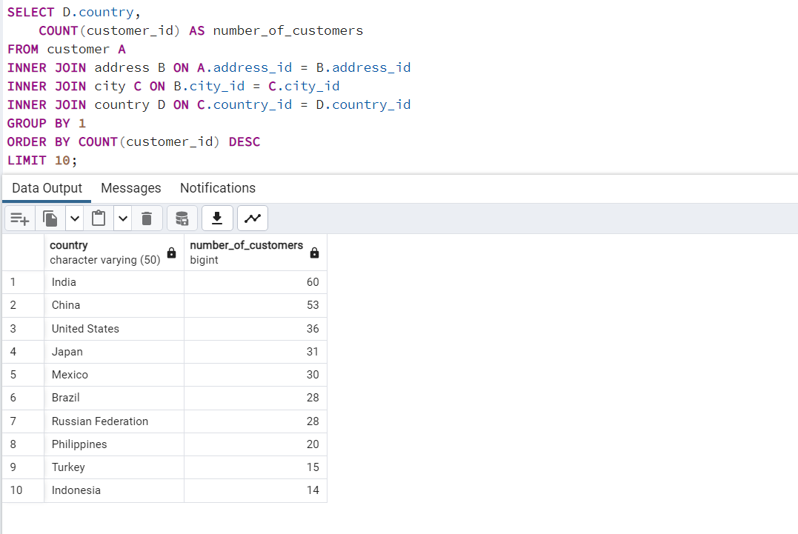

SELECT D.country,
 | COUNT(customer_id) AS number_of_customers
FROM customer A
INNER JOIN address B ON A.address_id = B.address_id
INNER JOIN city C ON B.city_id = C.city_id
INNER JOIN country D ON C.country_id = D.country_id
GROUP BY 1
ORDER BY COUNT(customer_id) DESC
LIMIT 10;

Revenue.by_Geography
city | country | Customer Count | Total Amount Paid
Saint-Denis | Runion | 1 | 211.55
Cape Coral | United States | 1 | 208.58
Santa Brbara dOeste | Brazil | 1 | 194.61
SELECT
C.city, D.country,
COUNT(DISTINCT A.customer_id) AS "Customer Count",
SUM(E.amount) AS "Total Amount Paid"
FROM customer A
INNER JOIN address B ON A.address_id = B.address_id
INNER JOIN city C ON B.city_id = C.city_id
INNER JOIN country D ON C.country_ID = D.country_ID
INNER JOIN payment E ON A.customer_id = E.customer_id
GROUP BY city, country
ORDER BY "Total Amount Paid" DESC
Apeldoorn | Netherlands | 1 | 191.62
Molodetno | Belarus | 1 | 189.6
Qomsheh | Iran | 1 | 183.63
London | United Kingdom | 2 | 174.54
Memphis | United States | 1 | 167.67
Richmond Hill | Canada | 1 | 167.62
Tanza | Philippines | 1 | 166.61
Valparai | India | 1 | 162.67
Santa Rosa | Philippines | 1 | 161.68
Aurora | United States | 2 | 159.58
Ourense (Orense) | Spain | 1 | 158.65
Hodeida | Yemen | 1 | 157.69
Tanauan | Philippines | 1 | 156.66
Halisahar | India | 1 | 154.7
Bijapur | India | 1 | 154.66
Usolje-Sibirskoje | Russian Federation | 1 | 152.69
Probolinggo | Indonesia | 1 | 152.68
Sumy | Ukraine | 1 | 151.73
Zhoushan | China | 1 | 151.69
Skikda | Algeria | 1 | 151.68
Cam Ranh | Vietnam | 1 | 149.69
Changhwa | Taiwan | 1 | 149.61
Bhilwara | India | 1 | 147.71
Citt del Vaticano | Holy See (Vatican City State) | 1 | 146.68
Songkhla | Thailand | 1 | 146.68
Tangail | Bangladesh | 1 | 146.68
Fuyu | China | 1 | 146.67
Maikop | Russian Federation | 1 | 145.7
Balikesir | Turkey | 1 | 145.64
Omdurman | Sudan | 1 | 144.7
Arecibo | Puerto Rico | 1 | 144.68
Hsichuh | Taiwan | 1 | 144.66
Yangor | Nauru | 1 | 143.7
Uruapan | Mexico | 1 | 143.68
Daugavpils | Latvia | 1 | 142.7
Nakhon Sawan | Thailand | 1 | 142.69
Lengshuijiang | China | 1 | 142.67
Beira | Mozambique | 1 | 142.66
Vila Velha | Brazil | 1 | 141.71
Rae Bareli | India | 1 | 141.69
Belm | Brazil | 1 | 140.69
Nyeri | Kenya | 1 | 139.72
Najafabad | Iran | 1 | 139.69
Shubra al-Khayma | Egypt | 1 | 139.69
Malm | Sweden | 1 | 139.67
Naju | South Korea | 1 | 138.69
Shimonoseki | Japan | 1 | 138.65
Sincelejo | Colombia | 1 | 137.72
Ife | Nigeria | 1 | 137.7
Bergamo | Italy | 1 | 137.67
Wroclaw | Poland | 1 | 135.72
Robamba | Ecuador | 1 | 135.7
Fengshan | Taiwan | 1 | 135.68
Juiz de Fora | Brazil | 1 | 134.73
Cuauhtmoc | Mexico | 1 | 134.72
Akron | United States | 1 | 134.71
Aden | Yemen | 1 | 134.7
Dos Quebradas | Colombia | 1 | 134.7
Usak | Turkey | 1 | 134.69
Bhopal | India | 1 | 134.68
Nantou | Taiwan | 1 | 134.65
Imus | Philippines | 1 | 133.72
Omiya | Japan | 1 | 133.71
Batman | Turkey | 1 | 133.7
Changzhou | China | 1 | 133.68
Olomouc | Czech Republic | 1 | 132.72
Binzhou | China | 1 | 132.7
Tychy | Poland | 1 | 132.65
Nam Dinh | Vietnam | 1 | 131.74
Osmaniye | Turkey | 1 | 131.73
Moscow | Russian Federation | 1 | 131.69
Boksburg | South Africa | 1 | 131.69
Athenai | Greece | 1 | 130.76
Salamanca | Mexico | 1 | 130.72
Kragujevac | Yugoslavia | 1 | 130.72
Siliguri (Shiliguri) | India | 1 | 130.7
Boa Vista | Brazil | 1 | 130.68
Tokat | Turkey | 1 | 130.68
Lancaster | United States | 1 | 129.72
Avellaneda | Argentina | 1 | 129.71
Ashdod | Israel | 1 | 129.7
Jinchang | China | 1 | 129.68
Yinchuan | China | 1 | 128.73
Qinhuangdao | China | 1 | 128.71
Ilorin | Nigeria | 1 | 128.71
Atlixco | Mexico | 1 | 128.7
Mannheim | Germany | 1 | 128.69
Erlangen | Germany | 1 | 127.73
Syrakusa | Italy | 1 | 127.73
Nha Trang | Vietnam | 1 | 127.69
Fukuyama | Japan | 1 | 127.69
Chisinau | Moldova | 1 | 127.66
Ashgabat | Turkmenistan | 1 | 126.74
Blumenau | Brazil | 1 | 126.73
Vancouver | Canada | 1 | 126.73
Sterling Heights | United States | 1 | 126.73
Huixquilucan | Mexico | 1 | 126.72
Duisburg | Germany | 1 | 126.7
Coatzacoalcos | Mexico | 1 | 125.74
Purnea (Purnia) | India | 1 | 125.74
Kolpino | Russian Federation | 1 | 125.72
Urawa | Japan | 1 | 125.68
Santo Andr | Brazil | 1 | 125.67
Antofagasta | Chile | 1 | 124.74
La Plata | Argentina | 1 | 124.71
Ikerre | Nigeria | 1 | 124.68
Liaocheng | China | 1 | 124.66
Parbhani | India | 1 | 123.74
San Bernardino | United States | 1 | 123.74
Pontianak | Indonesia | 1 | 123.72
Cabuyao | Philippines | 1 | 123.71
Davao | Philippines | 1 | 123.7
Fontana | United States | 1 | 123.7
Lungtan | Taiwan | 1 | 123.66
Ozamis | Philippines | 1 | 122.74
Goinia | Brazil | 1 | 122.74
NDjamna | Chad | 1 | 122.72
Kakamigahara | Japan | 1 | 122.71
Lapu-Lapu | Philippines | 1 | 122.7
Lhokseumawe | Indonesia | 1 | 122.69
Vijayawada | India | 1 | 121.77
York | United Kingdom | 1 | 121.73
Lilongwe | Malawi | 1 | 121.73
Kitwe | Zambia | 1 | 121.7
El Fuerte | Mexico | 1 | 121.7
Charlotte Amalie | Virgin Islands, U.S. | 1 | 121.69
Mit Ghamr | Egypt | 1 | 120.75
Sawhaj | Egypt | 1 | 120.74
Kirovo-Tepetsk | Russian Federation | 1 | 120.74
Brindisi | Italy | 1 | 120.71
Lima | Peru | 1 | 120.7
Mysore | India | 1 | 119.76
Emeishan | China | 1 | 119.75
Pjatigorsk | Russian Federation | 1 | 119.74
Sungai Petani | Malaysia | 1 | 119.72
Nuuk | Greenland | 1 | 119.72
Simferopol | Ukraine | 1 | 118.76
Loja | Ecuador | 1 | 118.75
Yerevan | Armenia | 1 | 118.75
Hunuco | Peru | 1 | 118.73
Jastrzebie-Zdrj | Poland | 1 | 118.7
Toulouse | France | 1 | 118.7
Botosani | Romania | 1 | 118.69
Southampton | United Kingdom | 1 | 117.77
Otsu | Japan | 1 | 117.77
Quilmes | Argentina | 1 | 117.76
Pudukkottai | India | 1 | 117.75
Joliet | United States | 1 | 117.75
Zhezqazghan | Kazakstan | 1 | 117.72
Jedda | Saudi Arabia | 1 | 116.76
Brockton | United States | 1 | 116.75
Miyakonojo | Japan | 1 | 116.74
Mandaluyong | Philippines | 1 | 116.73
Karnal | India | 1 | 116.73
Baybay | Philippines | 1 | 116.72
Satna | India | 1 | 116.71
Papeete | French Polynesia | 1 | 115.74
Bhimavaram | India | 1 | 115.72
Korolev | Russian Federation | 1 | 115.71
Greensboro | United States | 1 | 115.7
Tabriz | Iran | 1 | 114.76
Iwakuni | Japan | 1 | 114.74
Banjul | Gambia | 1 | 114.73
Portoviejo | Ecuador | 1 | 114.73
Merlo | Argentina | 1 | 114.72
Cavite | Philippines | 1 | 114.72
Sasebo | Japan | 1 | 114.7
Naala-Porto | Mozambique | 1 | 113.77
Brescia | Italy | 1 | 113.75
Tiefa | China | 1 | 113.74
Salzburg | Austria | 1 | 113.74
Touliu | Taiwan | 1 | 113.73
Leshan | China | 1 | 113.73
Dadu | Pakistan | 1 | 113.72
Sorocaba | Brazil | 1 | 113.71
Datong | China | 1 | 113.7
Huejutla de Reyes | Mexico | 1 | 112.76
Ruse | Bulgaria | 1 | 112.76
Lincoln | United States | 1 | 112.75
Jhansi | India | 1 | 112.74
Mukateve | Ukraine | 1 | 112.73
Shaoguan | China | 1 | 112.72
Maracabo | Venezuela | 1 | 111.77
Onomichi | Japan | 1 | 111.76
Ambattur | India | 1 | 111.76
Tanshui | Taiwan | 1 | 111.74
Cuman | Venezuela | 1 | 111.73
Graz | Austria | 1 | 111.73
Mosul | Iraq | 1 | 111.73
Haldia | India | 1 | 111.71
Pak Kret | Thailand | 1 | 111.71
Szkesfehrvr | Hungary | 1 | 111.71
Kuwana | Japan | 1 | 110.77
Santiago de los Caballeros | Dominican Republic | 1 | 110.76
Baiyin | China | 1 | 110.76
Coquimbo | Chile | 1 | 110.74
Yuncheng | China | 1 | 110.73
Taizz | Yemen | 1 | 110.73
Bilbays | Egypt | 1 | 110.72
Meixian | China | 1 | 110.72
Jinzhou | China | 1 | 110.71
Xiangfan | China | 1 | 110.68
Tonghae | South Korea | 1 | 109.77
Udaipur | India | 1 | 109.77
Cuernavaca | Mexico | 1 | 109.76
Southend-on-Sea | United Kingdom | 1 | 109.75
Zanzibar | Tanzania | 1 | 109.75
Baicheng | China | 1 | 109.73
Nabereznyje Telny | Russian Federation | 1 | 109.73
Kurgan | Russian Federation | 1 | 109.73
Uluberia | India | 1 | 109.72
Kamjanets-Podilskyi | Ukraine | 1 | 109.72
Mwanza | Tanzania | 1 | 109.72
Shanwei | China | 1 | 109.71
Benin City | Nigeria | 1 | 108.78
Jining | China | 1 | 108.77
Ogbomosho | Nigeria | 1 | 108.76
al-Manama | Bahrain | 1 | 108.76
Sumqayit | Azerbaijan | 1 | 108.75
Sivas | Turkey | 1 | 108.75
Akishima | Japan | 1 | 108.73
Ciomas | Indonesia | 1 | 108.72
Chandrapur | India | 1 | 108.71
Donostia-San Sebastin | Spain | 1 | 107.79
Plock | Poland | 1 | 107.78
Guaruj | Brazil | 1 | 107.77
Dhaka | Bangladesh | 1 | 107.74
Soshanguve | South Africa | 1 | 107.73
Batna | Algeria | 1 | 107.73
Weifang | China | 1 | 107.73
Pyongyang | North Korea | 1 | 107.71
Poos de Caldas | Brazil | 1 | 107.7
San Felipe de Puerto Plata | Dominican Republic | 1 | 107.7
Bandar Seri Begawan | Brunei | 1 | 107.66
Stockport | United Kingdom | 1 | 106.79
Mexicali | Mexico | 1 | 106.77
Iwaki | Japan | 1 | 106.77
Bern | Switzerland | 1 | 106.76
Jalib al-Shuyukh | Kuwait | 1 | 106.75
Pemalang | Indonesia | 1 | 106.74
Johannesburg | South Africa | 1 | 106.74
Ljubertsy | Russian Federation | 1 | 106.73
Rockford | United States | 1 | 106.73
Liepaja | Latvia | 1 | 106.73
A Corua (La Corua) | Spain | 1 | 106.72
Hohhot | China | 1 | 106.68
Smolensk | Russian Federation | 1 | 105.78
Santa F | Argentina | 1 | 105.78
Sogamoso | Colombia | 1 | 105.78
Kisumu | Kenya | 1 | 105.77
Dayton | United States | 1 | 105.77
Dallas | United States | 1 | 105.76
Kuching | Malaysia | 1 | 105.76
Iwatsuki | Japan | 1 | 105.74
Nador | Morocco | 1 | 105.74
Augusta-Richmond County | United States | 1 | 105.73
Tartu | Estonia | 1 | 105.72
Munger (Monghyr) | India | 1 | 105.7
San Lorenzo | Paraguay | 1 | 104.79
Sultanbeyli | Turkey | 1 | 104.78
Kowloon and New Kowloon | Hong Kong | 1 | 104.76
Etawah | India | 1 | 104.75
Ipoh | Malaysia | 1 | 104.75
Rustenburg | South Africa | 1 | 104.74
Kamarhati | India | 1 | 104.74
Shikarpur | Pakistan | 1 | 104.73
Atinsk | Russian Federation | 1 | 104.72
Tongliao | China | 1 | 104.71
Ede | Netherlands | 1 | 103.78
Owo | Nigeria | 1 | 103.77
Patiala | India | 1 | 103.77
Bhusawal | India | 1 | 103.74
Sunnyvale | United States | 1 | 103.74
Uijongbu | South Korea | 1 | 103.74
Mardan | Pakistan | 1 | 103.73
Jaffna | Sri Lanka | 1 | 103.73
Sharja | United Arab Emirates | 1 | 102.78
Kamyin | Russian Federation | 1 | 102.77
Novi Sad | Yugoslavia | 1 | 102.77
al-Ayn | United Arab Emirates | 1 | 102.76
Celaya | Mexico | 1 | 102.76
Po | Brazil | 1 | 102.75
Tabora | Tanzania | 1 | 102.75
Lipetsk | Russian Federation | 1 | 101.79
Dongying | China | 1 | 101.78
Jelets | Russian Federation | 1 | 101.77
Garden Grove | United States | 1 | 101.76
Tandil | Argentina | 1 | 101.7
Acua | Mexico | 1 | 100.77
Chungho | Taiwan | 1 | 100.76
Czestochowa | Poland | 1 | 100.76
Vicente Lpez | Argentina | 1 | 100.75
Halle/Saale | Germany | 1 | 100.75
Pune | India | 1 | 100.72
Isesaki | Japan | 1 | 99.78
Sagamihara | Japan | 1 | 99.77
Vaduz | Liechtenstein | 1 | 99.74
Ahmadnagar | India | 1 | 99.74
Bucuresti | Romania | 1 | 99.73
Ueda | Japan | 1 | 99.72
Abu Dhabi | United Arab Emirates | 1 | 99.71
South Hill | Anguilla | 1 | 99.68
Kimberley | South Africa | 1 | 98.82
Jamalpur | Bangladesh | 1 | 98.77
Allappuzha (Alleppey) | India | 1 | 98.76
San Juan Bautista Tuxtepec | Mexico | 1 | 98.75
Vitria de Santo Anto | Brazil | 1 | 98.75
Higashiosaka | Japan | 1 | 98.75
Iligan | Philippines | 1 | 98.74
Adoni | India | 1 | 97.8
Cayenne | French Guiana | 1 | 97.8
Florencia | Colombia | 1 | 97.79
Deba Habe | Nigeria | 1 | 97.78
Sokoto | Nigeria | 1 | 97.78
ostka | Ukraine | 1 | 97.78
Firozabad | India | 1 | 97.78
Varanasi (Benares) | India | 1 | 97.77
Monywa | Myanmar | 1 | 97.75
Jos Azueta | Mexico | 1 | 97.75
Palghat (Palakkad) | India | 1 | 96.79
Bhavnagar | India | 1 | 96.79
Salinas | United States | 1 | 96.79
Springs | South Africa | 1 | 96.78
Bamenda | Cameroon | 1 | 96.78
Allende | Mexico | 1 | 96.77
Citrus Heights | United States | 1 | 96.77
Escobar | Argentina | 1 | 96.76
Effon-Alaiye | Nigeria | 1 | 96.76
Trshavn | Faroe Islands | 1 | 96.76
Madiun | Indonesia | 1 | 96.75
Laohekou | China | 1 | 96.75
Rio Claro | Brazil | 1 | 96.74
Rajkot | India | 1 | 95.8
Ivanovo | Russian Federation | 1 | 95.79
Carmen | Mexico | 1 | 95.79
Pereira | Colombia | 1 | 95.78
La Paz | Mexico | 1 | 95.78
Livorno | Italy | 1 | 95.78
Yuzhou | China | 1 | 95.78
Ziguinchor | Senegal | 1 | 95.76
Haiphong | Vietnam | 1 | 95.76
Xinxiang | China | 1 | 95.76
Botshabelo | South Africa | 1 | 95.72
Sal | Morocco | 1 | 94.81
Hidalgo | Mexico | 1 | 94.78
Shivapuri | India | 1 | 94.78
Warren | United States | 1 | 94.77
Sanya | China | 1 | 94.76
Esfahan | Iran | 1 | 94.76
Jakarta | Indonesia | 1 | 94.76
Tel Aviv-Jaffa | Israel | 1 | 94.76
Caracas | Venezuela | 1 | 94.75
Birgunj | Nepal | 1 | 93.83
Benguela | Angola | 1 | 93.8
Newcastle | South Africa | 1 | 93.8
San Felipe del Progreso | Mexico | 1 | 93.79
So Leopoldo | Brazil | 1 | 93.79
Rampur | India | 1 | 93.78
Funafuti | Tuvalu | 1 | 93.78
Tama | Japan | 1 | 93.76
Namibe | Angola | 1 | 93.75
Anpolis | Brazil | 1 | 93.75
Kermanshah | Iran | 1 | 93.74
Yamuna Nagar | India | 1 | 93.74
Juazeiro do Norte | Brazil | 1 | 92.81
So Bernardo do Campo | Brazil | 1 | 92.8
Angra dos Reis | Brazil | 1 | 92.8
Okinawa | Japan | 1 | 92.79
Mahajanga | Madagascar | 1 | 92.79
Suihua | China | 1 | 92.78
Sucre | Bolivia | 1 | 92.78
Battambang | Cambodia | 1 | 92.76
Compton | United States | 1 | 92.76
Emmen | Netherlands | 1 | 92.75
Peoria | United States | 1 | 92.75
Bayugan | Philippines | 1 | 92.75
Okayama | Japan | 1 | 91.81
Talavera | Philippines | 1 | 91.81
Bellevue | United States | 1 | 91.8
Nanyang | China | 1 | 91.79
Witten | Germany | 1 | 91.78
al-Qatif | Saudi Arabia | 1 | 91.78
Addis Abeba | Ethiopia | 1 | 91.77
Cuautla | Mexico | 1 | 91.75
Monclova | Mexico | 1 | 91.75
Daxian | China | 1 | 91.7
Tuguegarao | Philippines | 1 | 90.78
Aparecida de Goinia | Brazil | 1 | 90.78
Kimchon | South Korea | 1 | 90.77
Arak | Iran | 1 | 90.75
Gingoog | Philippines | 1 | 90.73
Haining | China | 1 | 89.8
Faaa | French Polynesia | 1 | 89.78
Guadalajara | Mexico | 1 | 89.78
Chiayi | Taiwan | 1 | 89.78
Baku | Azerbaijan | 1 | 89.78
Ondo | Nigeria | 1 | 89.77
Bchar | Algeria | 1 | 89.77
Buenaventura | Colombia | 1 | 89.77
Eskisehir | Turkey | 1 | 89.77
Idfu | Egypt | 1 | 89.77
Kurashiki | Japan | 1 | 89.76
Halifax | Canada | 1 | 89.76
Yaound | Cameroon | 1 | 89.71
Tianjin | China | 1 | 88.81
Coacalco de Berriozbal | Mexico | 1 | 88.81
Alessandria | Italy | 1 | 88.8
Mwene-Ditu | Congo, The Democratic Republic of the | 1 | 88.8
Amersfoort | Netherlands | 1 | 88.78
Jaipur | India | 1 | 88.78
Uttarpara-Kotrung | India | 1 | 88.77
Nagareyama | Japan | 1 | 88.76
Torren | Mexico | 1 | 88.75
Taguig | Philippines | 1 | 88.73
Elista | Russian Federation | 1 | 87.82
Gorontalo | Indonesia | 1 | 87.81
Arlington | United States | 1 | 87.8
Kanazawa | Japan | 1 | 87.8
Vinh | Vietnam | 1 | 87.8
Gatineau | Canada | 1 | 87.8
Oshawa | Canada | 1 | 87.79
Asuncin | Paraguay | 1 | 87.79
guas Lindas de Gois | Brazil | 1 | 87.78
Zeleznogorsk | Russian Federation | 1 | 87.77
Sullana | Peru | 1 | 87.77
Chapra | India | 1 | 86.82
Siegen | Germany | 1 | 86.81
Ashqelon | Israel | 1 | 86.81
Shimoga | India | 1 | 86.81
Lublin | Poland | 1 | 86.81
Pingxiang | China | 1 | 86.8
Xiangtan | China | 1 | 86.8
Sambhal | India | 1 | 86.79
Zaria | Nigeria | 1 | 86.77
Abha | Saudi Arabia | 1 | 86.77
Katihar | India | 1 | 86.76
Garland | United States | 1 | 86.75
Balurghat | India | 1 | 86.75
Phnom Penh | Cambodia | 1 | 86.75
Nezahualcyotl | Mexico | 1 | 86.73
Serpuhov | Russian Federation | 1 | 85.8
La Romana | Dominican Republic | 1 | 85.8
Almirante Brown | Argentina | 1 | 85.78
Manchester | United States | 1 | 85.78
El Alto | Bolivia | 1 | 85.78
Hamilton | New Zealand | 1 | 85.77
Araatuba | Brazil | 1 | 85.77
Crdoba | Argentina | 1 | 85.77
Surakarta | Indonesia | 1 | 85.75
Pangkal Pinang | Indonesia | 1 | 84.84
Balaiha | Russian Federation | 1 | 84.81
Konotop | Ukraine | 1 | 84.81
Cheju | South Korea | 1 | 84.8
Valencia | Venezuela | 1 | 84.8
Hiroshima | Japan | 1 | 84.79
Laredo | United States | 1 | 84.75
Clarksville | United States | 1 | 83.82
Gaziantep | Turkey | 1 | 83.81
Kilis | Turkey | 1 | 83.8
Dhule (Dhulia) | India | 1 | 83.79
Lausanne | Switzerland | 1 | 83.78
Hanoi | Vietnam | 1 | 83.77
Rizhao | China | 1 | 82.81
Xintai | China | 1 | 82.78
Salala | Oman | 1 | 82.76
Purwakarta | Indonesia | 1 | 81.83
Denizli | Turkey | 1 | 81.83
Kansas City | United States | 1 | 81.81
Baha Blanca | Argentina | 1 | 81.81
Ocumare del Tuy | Venezuela | 1 | 81.81
Hami | China | 1 | 81.8
Tabuk | Saudi Arabia | 1 | 81.8
Myingyan | Myanmar | 1 | 81.78
Amroha | India | 1 | 81.78
Stara Zagora | Bulgaria | 1 | 81.76
Mogiljov | Belarus | 1 | 81.76
Laiwu | China | 1 | 81.75
Kursk | Russian Federation | 1 | 80.85
Sirjan | Iran | 1 | 80.83
Ciudad del Este | Paraguay | 1 | 80.82
Miraj | India | 1 | 80.81
s-Hertogenbosch | Netherlands | 1 | 80.8
Tambaram | India | 1 | 80.78
Valle de la Pascua | Venezuela | 1 | 80.78
Yingkou | China | 1 | 80.77
Bratislava | Slovakia | 1 | 80.77
Klerksdorp | South Africa | 1 | 79.81
Callao | Peru | 1 | 79.81
Shahr-e Kord | Iran | 1 | 79.8
Ponce | Puerto Rico | 1 | 79.8
Lubumbashi | Congo, The Democratic Republic of the | 1 | 79.78
Izumisano | Japan | 1 | 79.75
Tsuyama | Japan | 1 | 78.84
Tieli | China | 1 | 78.82
Kaduna | Nigeria | 1 | 78.81
Masqat | Oman | 1 | 78.8
Paarl | South Africa | 1 | 78.8
Saint Louis | United States | 1 | 78.79
Oulu | Finland | 1 | 78.79
Saarbrcken | Germany | 1 | 78.78
Junan | China | 1 | 78.77
Mandi Bahauddin | Pakistan | 1 | 77.84
Brest | France | 1 | 77.81
Qalyub | Egypt | 1 | 77.81
Gijn | Spain | 1 | 77.8
Huaian | China | 1 | 77.79
Toulon | France | 1 | 77.78
San Miguel de Tucumn | Argentina | 1 | 77.77
Maring | Brazil | 1 | 76.82
Grand Prairie | United States | 1 | 76.8
Zalantun | China | 1 | 76.8
Jodhpur | India | 1 | 76.78
al-Hawiya | Saudi Arabia | 1 | 75.83
Kalisz | Poland | 1 | 75.81
Ranchi | India | 1 | 75.8
Alvorada | Brazil | 1 | 75.79
Ezeiza | Argentina | 1 | 75.78
Luzinia | Brazil | 1 | 75.78
Hino | Japan | 1 | 74.84
Hoshiarpur | India | 1 | 74.83
Chatsworth | South Africa | 1 | 74.83
Adana | Turkey | 1 | 74.81
El Monte | United States | 1 | 74.8
Pavlodar | Kazakstan | 1 | 74.79
Dundee | United Kingdom | 1 | 74.77
Bag | Brazil | 1 | 73.85
Roanoke | United States | 1 | 73.83
Okara | Pakistan | 1 | 73.82
Kamakura | Japan | 1 | 73.81
Syktyvkar | Russian Federation | 1 | 73.81
Nagaon | India | 1 | 73.81
Beni-Mellal | Morocco | 1 | 73.8
Sousse | Tunisia | 1 | 73.78
Patras | Greece | 1 | 73.78
Cianjur | Indonesia | 1 | 73.76
Pathankot | India | 1 | 72.83
Southport | United Kingdom | 1 | 72.82
Braslia | Brazil | 1 | 72.82
Bradford | United Kingdom | 1 | 72.79
Kaliningrad | Russian Federation | 1 | 71.85
Jaroslavl | Russian Federation | 1 | 71.84
Bislig | Philippines | 1 | 71.81
Dzerzinsk | Russian Federation | 1 | 71.8
Inegl | Turkey | 1 | 71.79
Matamoros | Mexico | 1 | 71.77
Shenzhen | China | 1 | 70.82
Hagonoy | Philippines | 1 | 70.82
Gulbarga | India | 1 | 70.81
Sanaa | Yemen | 1 | 70.81
Gandhinagar | India | 1 | 69.83
Jurez | Mexico | 1 | 69.79
Zaoyang | China | 1 | 69.79
Ibirit | Brazil | 1 | 68.87
Zapopan | Mexico | 1 | 68.84
Udine | Italy | 1 | 68.82
Matsue | Japan | 1 | 68.81
Korla | China | 1 | 68.77
Rancagua | Chile | 1 | 67.86
Bat Yam | Israel | 1 | 67.86
Niznekamsk | Russian Federation | 1 | 67.86
Kabul | Afghanistan | 1 | 67.82
Novoterkassk | Russian Federation | 1 | 66.82
Tegal | Indonesia | 1 | 66.81
Barcelona | Venezuela | 1 | 66.79
Yantai | China | 1 | 65.87
Pachuca de Soto | Mexico | 1 | 65.83
Ciparay | Indonesia | 1 | 65.83
Berhampore (Baharampur) | India | 1 | 65.81
Tarsus | Turkey | 1 | 64.85
Nukualofa | Tonga | 1 | 64.84
Kingstown | Saint Vincent and the Grenadines | 1 | 64.82
Tarlac | Philippines | 1 | 63.84
Ezhou | China | 1 | 63.84
Teboksary | Russian Federation | 1 | 63.79
Vilnius | Lithuania | 1 | 63.78
Kanchrapara | India | 1 | 62.85
Santiago de Compostela | Spain | 1 | 62.84
Koriyama | Japan | 1 | 62.81
Hubli-Dharwad | India | 1 | 59.86
Le Mans | France | 1 | 59.83
Linz | Austria | 1 | 58.83
Tete | Mozambique | 1 | 58.82
Basel | Switzerland | 1 | 57.87
Ktahya | Turkey | 1 | 57.86
al-Qadarif | Sudan | 1 | 57.81
Kumbakonam | India | 1 | 56.84
Oyo | Nigeria | 1 | 54.85
Valle de Santiago | Mexico | 1 | 52.81
Tsaotun | Taiwan | 1 | 50.83
Enshi | China | 1 | 49.88
Tafuna | American Samoa | 1 | 47.85
Tallahassee | United States | 1 | 37.87
Fuzhou | China | 1 | 32.9
Bydgoszcz | Poland | 1 | 27.93

Countries_CategoryNme_Revenue
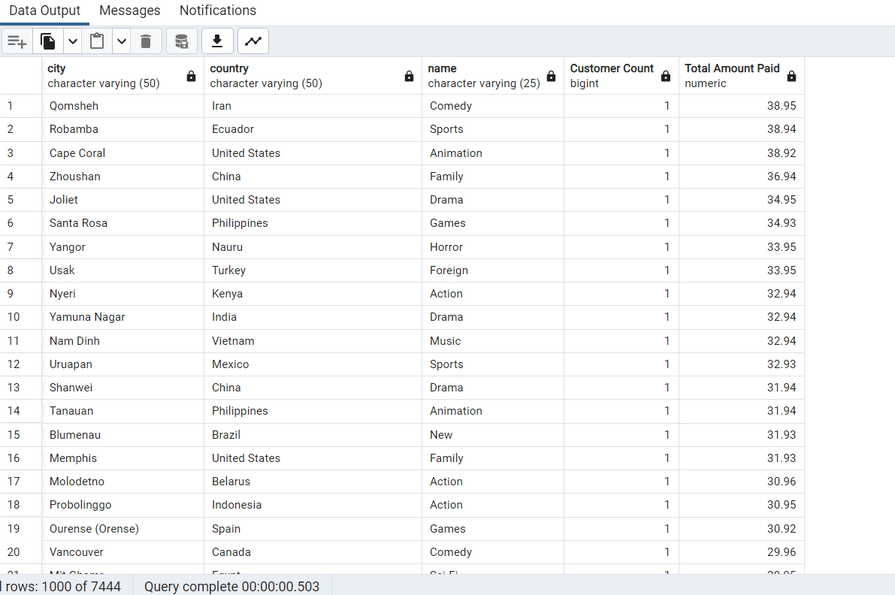
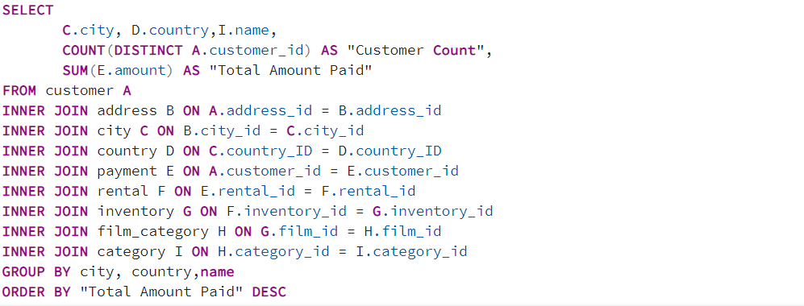
Countries w/Category Names and Total Amount paid

Top 10 Cities
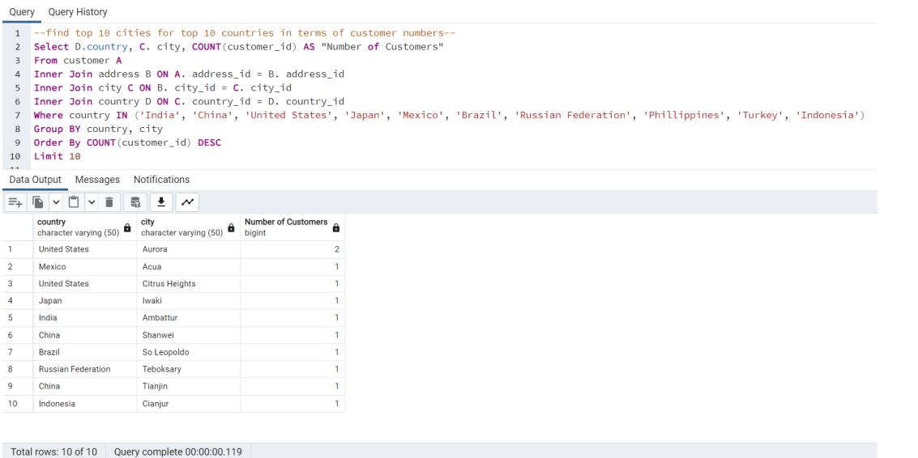

Top 5 Cust. Top 10 cities
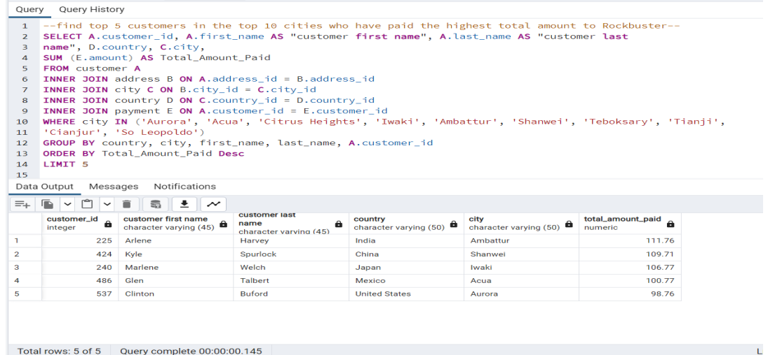

Lifetime Value_Customers
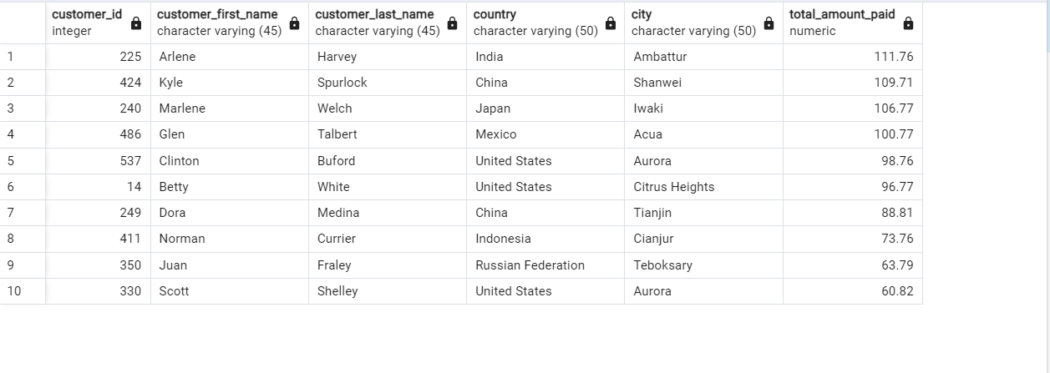
SELECT A.customer_id,
 | A.first_name AS customer_first_name,
 | A.last_name AS customer_last_name,
 | D.country,
 | C.city,
 | SUM(E.amount) AS total_amount_paid
FROM customer A
INNER JOIN address B ON A.address_id = B.address_id
INNER JOIN city C on B.city_id = C.city_id
INNER JOIN country D on C.country_id = D.country_id
INNER JOIN payment E ON A.customer_id = E.customer_id
WHERE city IN('Aurora','Acua','Citrus Heights','Iwaki','Ambattur','Shanwei','So
Leopoldo','Teboksary','Tianjin','Cianjur')
GROUP BY 1,2,3,4,5
ORDER BY total_amount_paid DESC
LIMIT 10;

Sales by Region
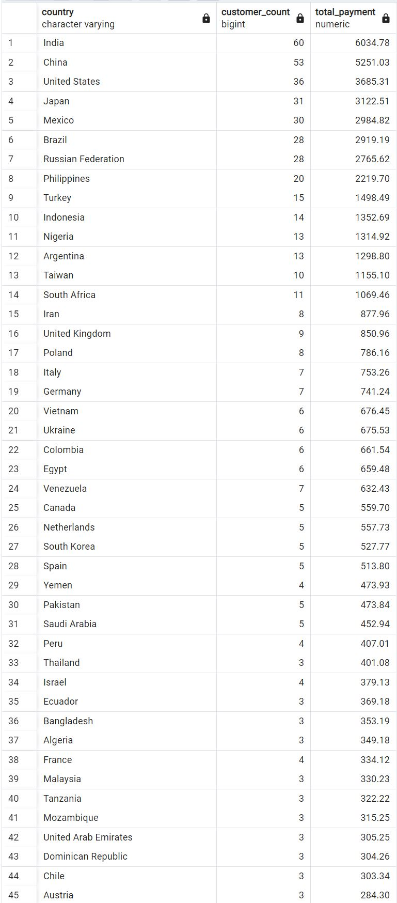
SELECT country,
 | COUNT(DISTINCT A.customer_id) AS customer_count,
 | SUM(amount) AS total_payment
FROM customer A
 | INNER JOIN address B ON A.address_id = B.address_id
 | INNER JOIN city C ON B.city_id = C.city_id
 | INNER JOIN country D ON C.country_id = D.country_id
 | INNER JOIN payment E ON A.customer_id = E.customer_id
 | GROUP BY 1
 | ORDER BY total_payment DESC;

